Objectives
MODULE 3: DASHBOARD AND INSIGHT

At the end of this module, you will be able to:
a. synthesize data to effectively display key performance indicators (KPIs) to help measure business trajectory
b. communicate effectively insights from data with the right combination of tables, visualization, and narrative

Dashboard Concepts
DASHBOARDS
DASHBOARDING PRINCIPLES
ELEMENTS OF EFFECTIVE COMMUNICATION OF DATA INSIGHTS
CLEAN DASHBOARD DESIGN
DASHBOARD CREATION PROCESS
DASHBOARD CREATION PROCESS
DASHBOARD CREATION PROCESS
DASHBOARD CREATION PROCESS
DASHBOARD CREATION PROCESS

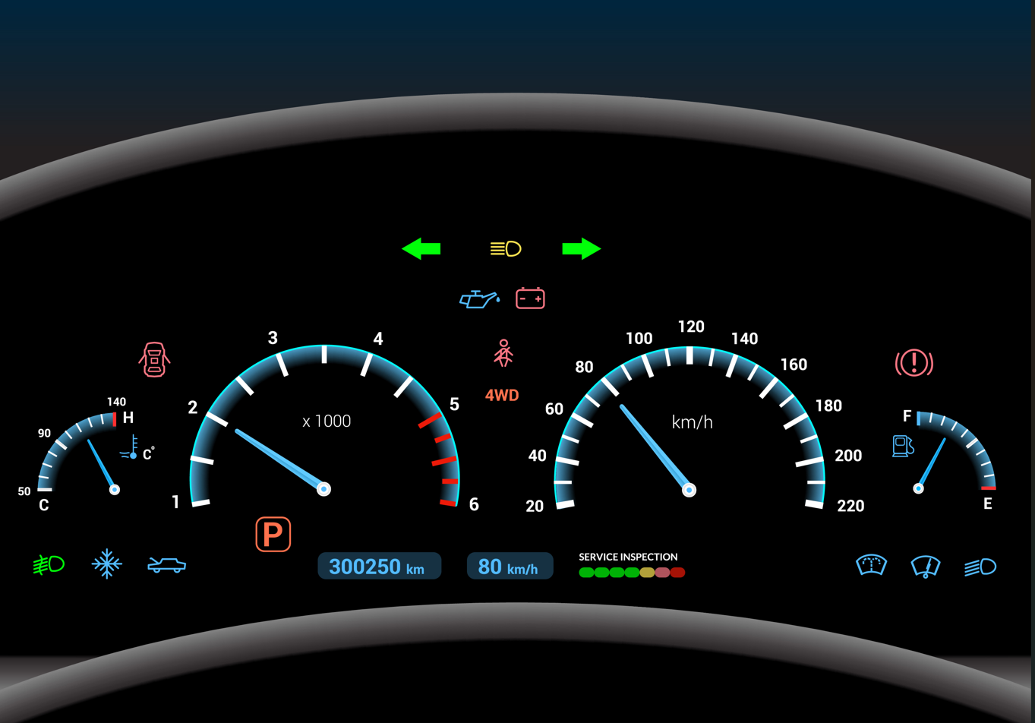
"Do you drive?
If you do, you know the control panel in vehicles called the dashboard.
A car dashboard instantaneously identifies and provides feedback regarding the status of your vehicle: speed, servicing needs, tire pressure, fuel level, open doors or trunk,
gear you are in, etc.
These critical data points allow to do something about your car or adjust your driving, accordingly. Businesses, actually, adopted the term “dashboard” from automobiles. Much like the car dashboard, reporting dashboard is a tool that provides up to date, at-a-glance
monitoring of the results of an organization’s key performance indicators. This allows an organization to proactively identify and manage problems and opportunities and to strive to exceed performance expectations. Especially when well-designed with strategic and tactical business goals in mind, dashboard brings performance management cadence which can lead to more discipline in strategy execution."
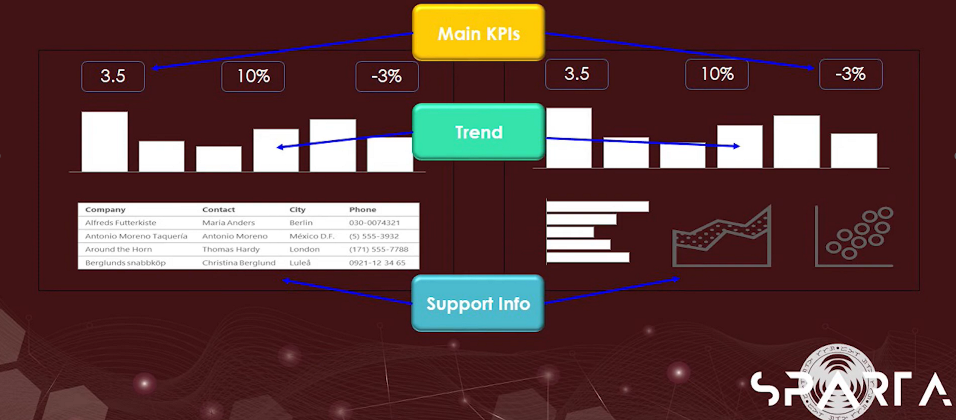
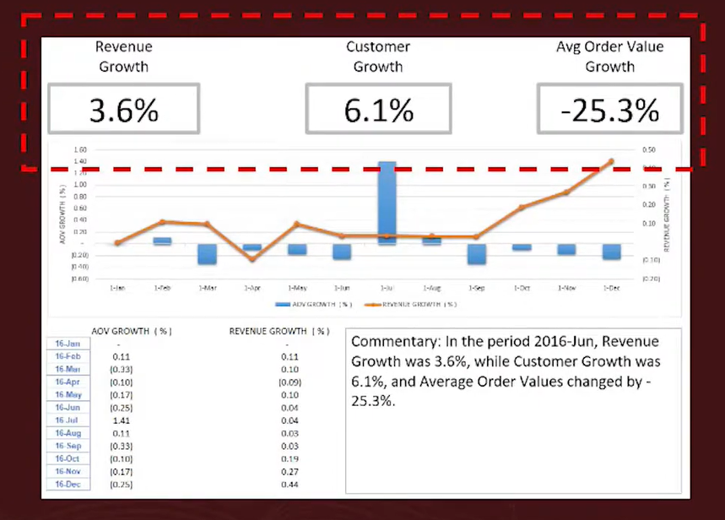
HIGHLIGHT
This is what you put in the topmost section.
This draws the attention of your audience to the story you want to put across.
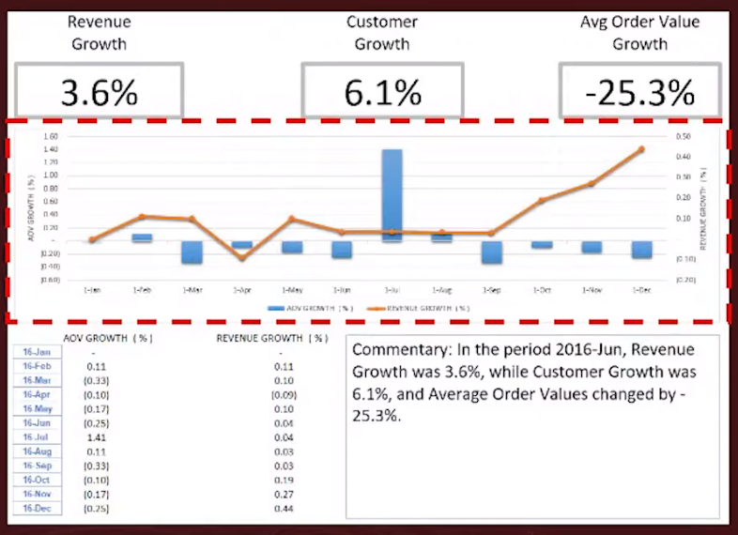
TREND
This can be found in the middle section, provides context by showing change over time.
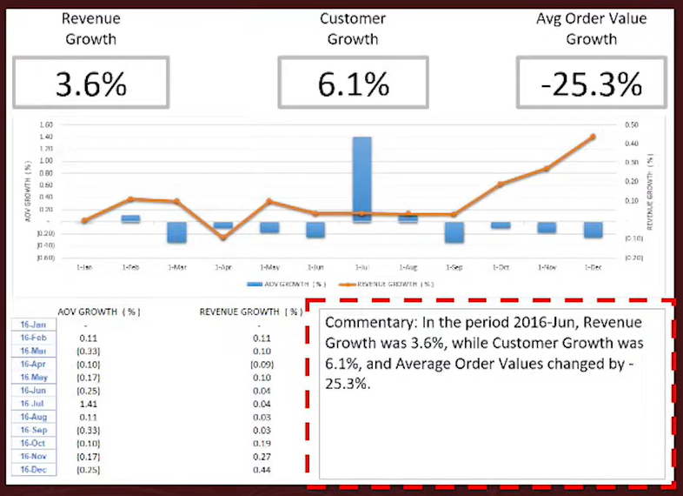
COMMENTARY
One of the possible contents of the third section, reinforces insight by verbalizing observations in the first 2 sections.
You may also provide more business context here, by stating identified movement or trend
drivers and the business or market-related reasons behind them.
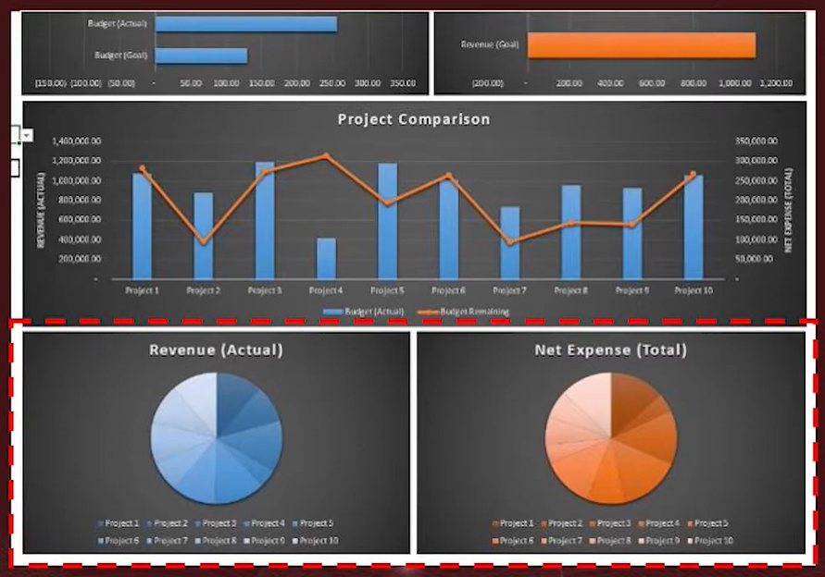
COMPOSITION
This can be included in the third section, show comparative context
by decomposing a whole into its key components.
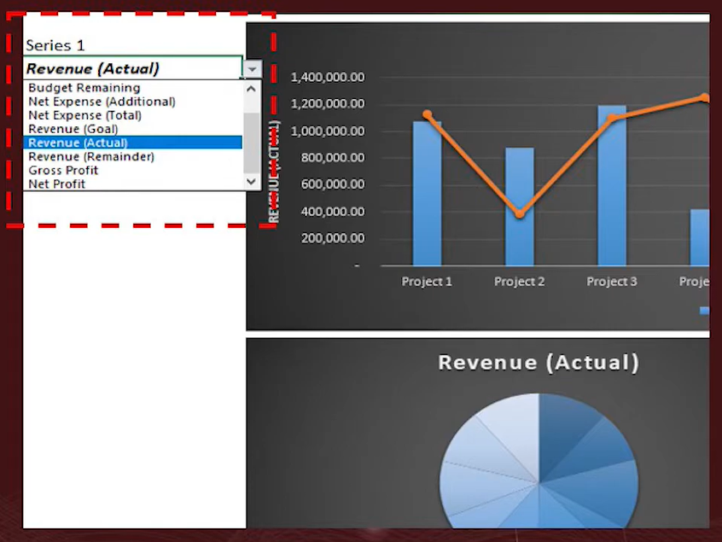
INTERACTIVITY
More of a feature than an actual part of a dashboard, this allows users to navigate safely through the data by providing controls.

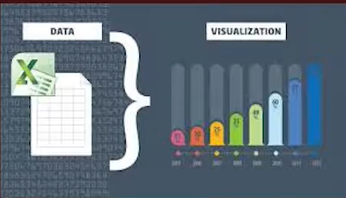
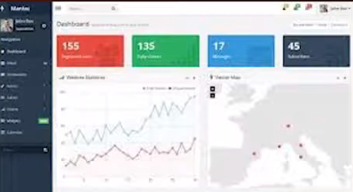
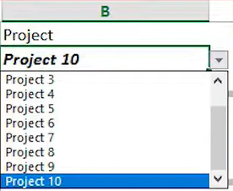




What is the story?
Clean layout and design
Interactivity and automation

Data
Visuals
Narrative

Dashboard Creation
DAILY SALES
ALENG LALA'S SARI - SARI STORE MONTHLY SALES
₱6,644.40

TOTAL SALES PER DAY
 | 1
 | 342.2
 | 443.25
 | 343.65
 | 388.8
 | 198.15
 | 285.8
 | 337.25
 | 305
 | 363.5
 | 223.4
 | 302.55
 | 138.8
 | 72.3
 | 84.45
 | 163.5
 | 244.75
 | 115.05
 | 218
 | 134.25
 | 130.3
 | 67.45
 | 239.25
 | 244.75
 | 75.55
 | 275.5
 | 129.25
 | 191.3
 | 93.2
 | 280.95
 | 212.25
QUANTITY
 | Total
Chocnut | 51
Coca-Cola | 36
Oreo | 31
Century Tuna | 27
Great Taste | 24
Energizer | 21
Closeup | 20
Palmolive | 19
Nescafé | 19
Dove | 18
San Marino | 17
Pepsi | 17
Hansel | 16
Surf | 16
Flat Tops | 16
Lucky Me! | 14
Magnum | 9
Pride | 7
Skyflakes | 3
Nissin Cup Noodles | 2
Safeguard | 1
REVENUE
 | Total
Surf | 728
Oreo | 643.25
Century Tuna | 627.75
Closeup | 515
San Marino | 484.5
Coca-Cola | 432
Dove | 427.5
Magnum | 411.75
Chocnut | 318.75
Hansel | 302.4
Palmolive | 302.1
Pride | 267.75
Energizer | 262.5
Pepsi | 195.5
Lucky Me! | 171.5
Great Taste | 162
Nescafé | 161.5
Flat Tops | 142.4
Skyflakes | 45.75
Nissin Cup Noodles | 25
Safeguard | 17.5

TOTAL SALES PER CATEGORY
 | Total
Canned goods | 1112.25
Laundry detergent | 995.75
Biscuits | 991.4
Soft drinks | 627.5
Chocolates | 554.15
Toothpaste | 515
Soap | 445
Coffee sachets | 323.5
Candy | 318.75
Shampoo sachets | 302.1
Batteries | 262.5
Instant noodles | 196.5
TOTAL QUANTITY SOLD PER CATERGORY
 | Total
Soft drinks | 53
Candy | 51
Biscuits | 50
Canned goods | 44
Coffee sachets | 43
Chocolates | 25
Laundry detergent | 23
Batteries | 21
Toothpaste | 20
Soap | 19
Shampoo sachets | 19
Instant noodles | 16

